Sheet1
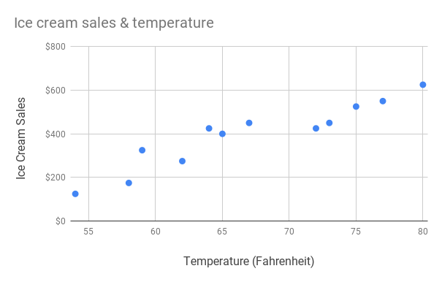
Example: | Scatter chart
Temperature (In Fahrenheit) | Ice Cream Sales
54 | $125
58 | $175
59 | $325
62 | $275
64 | $425
65 | $400
67 | $450
72 | $425
73 | $450
75 | $525
77 | $550
80 | $625

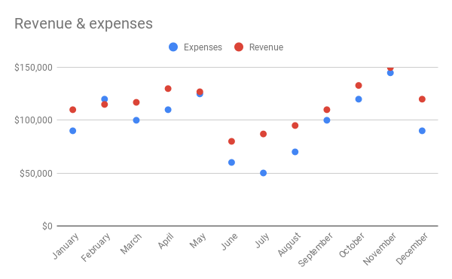
Example: | Scatter chart
Month | Expenses | Revenue
January | $90,000 | $110,000
February | $120,000 | $115,000
March | $100,000 | $117,000
April | $110,000 | $130,000
May | $125,000 | $127,000
June | $60,000 | $80,000
July | $50,000 | $87,000
August | $70,000 | $95,000
September | $100,000 | $110,000
October | $120,000 | $133,000
November | $145,000 | $150,000
December | $90,000 | $120,000

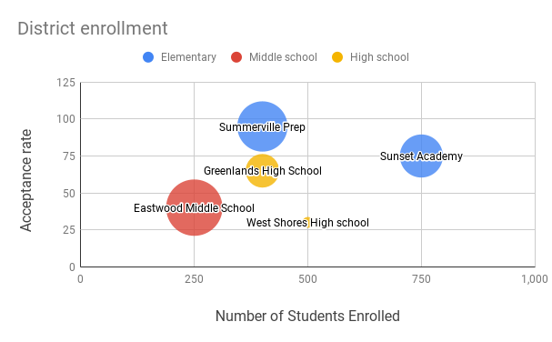
Example: | Bubble chart
School | Number of students | Acceptance Rate | School Type | Size
Summerville Prep | 400 | 95 | Elementary | 9
Sunset Academy | 750 | 75 | Elementary | 8
Eastwood Middle School | 250 | 40 | Middle school | 10
Greenlands High School | 400 | 65 | High school | 7
West Shores High school | 500 | 30 | High school | 6

